Box Prototyping
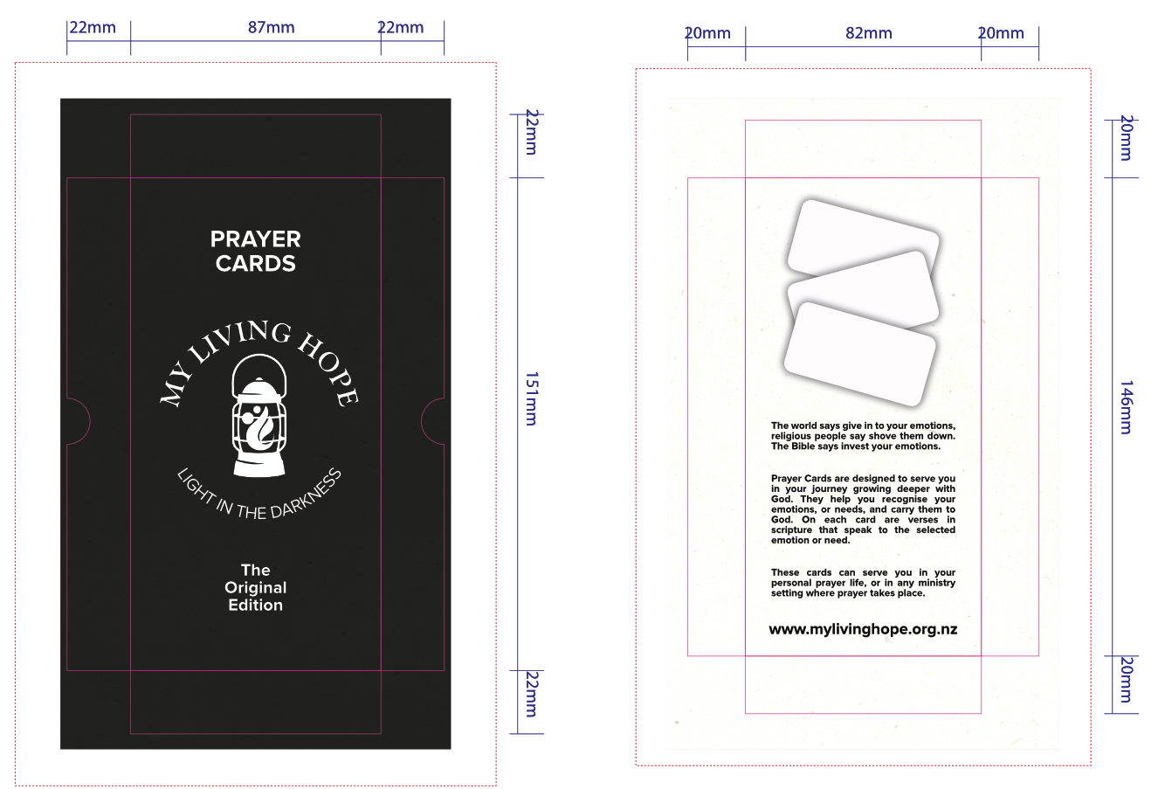
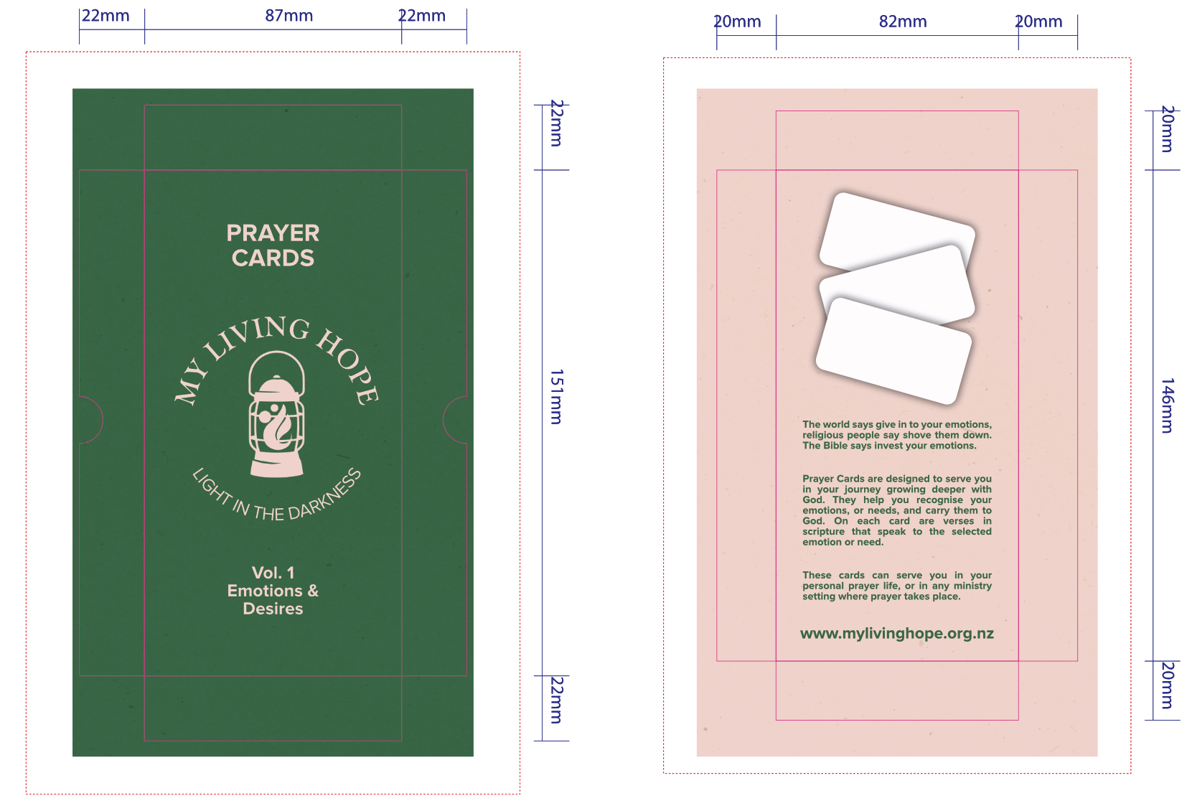

Card Prototyping
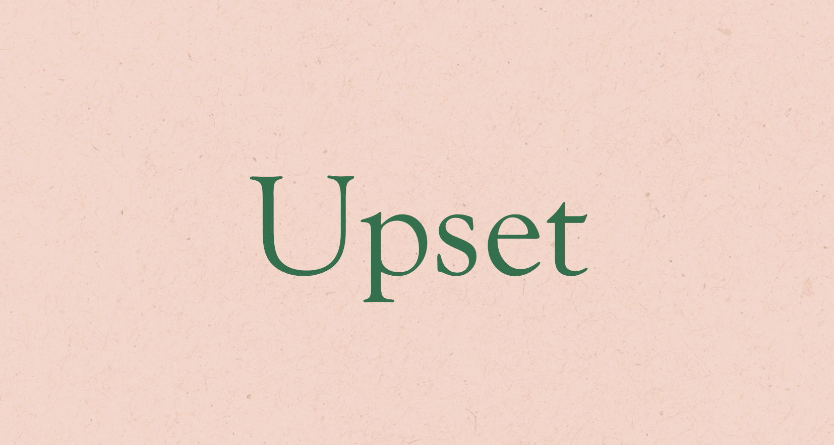
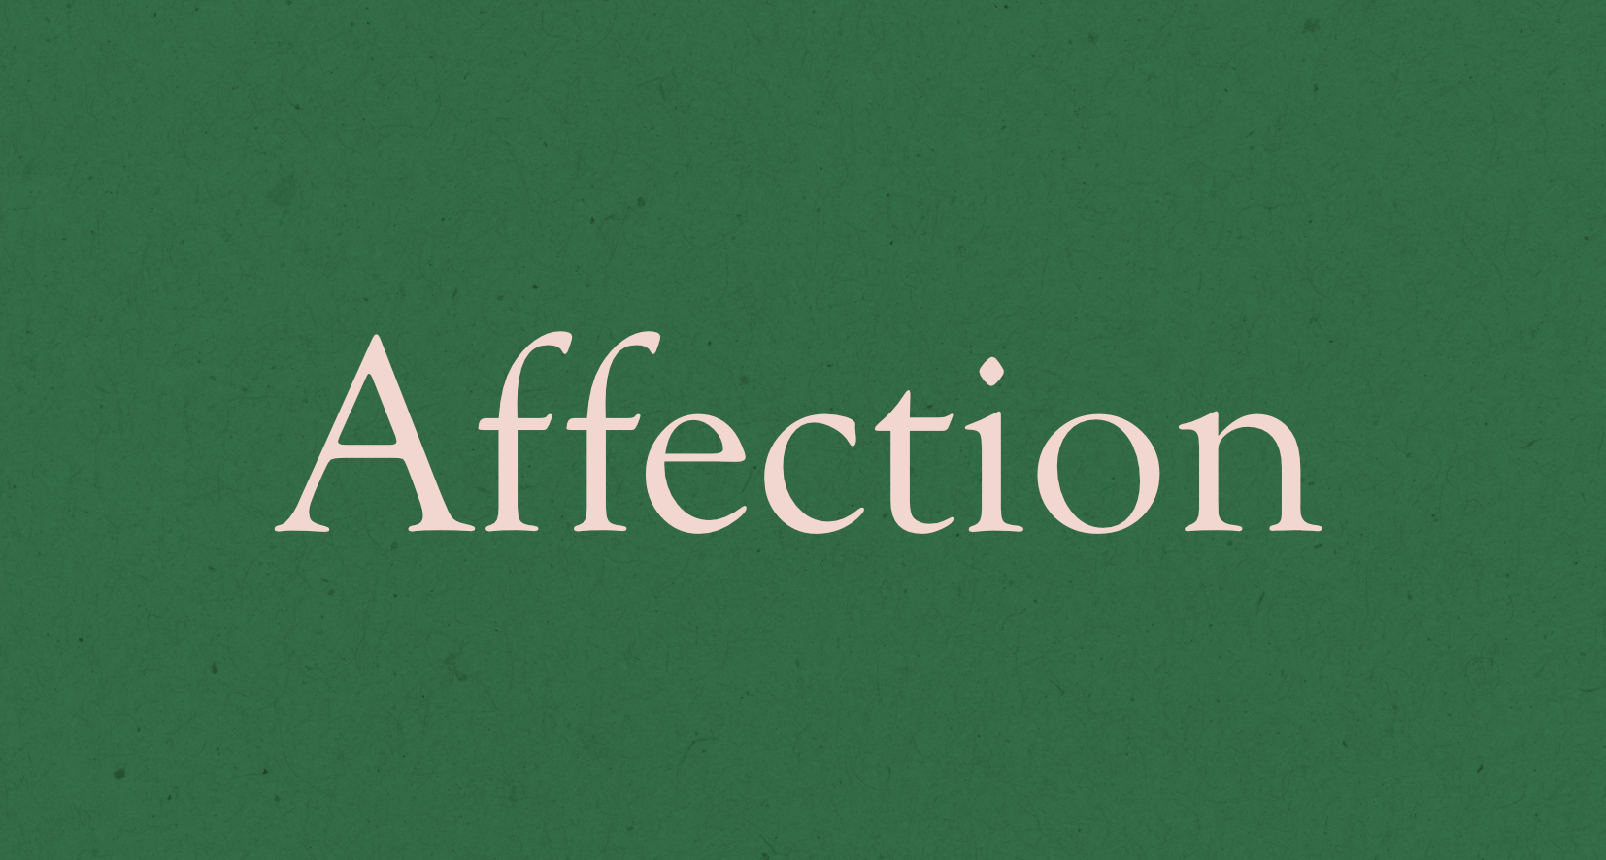


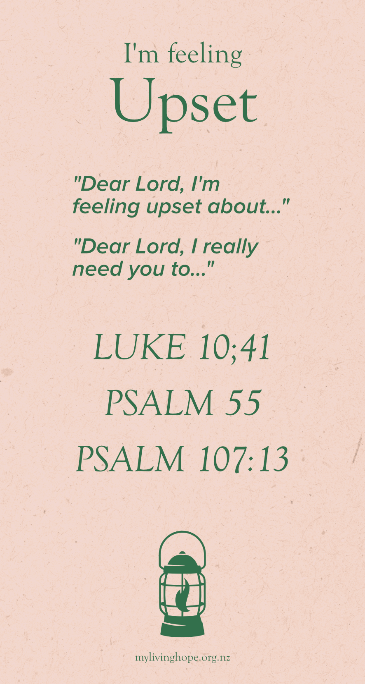
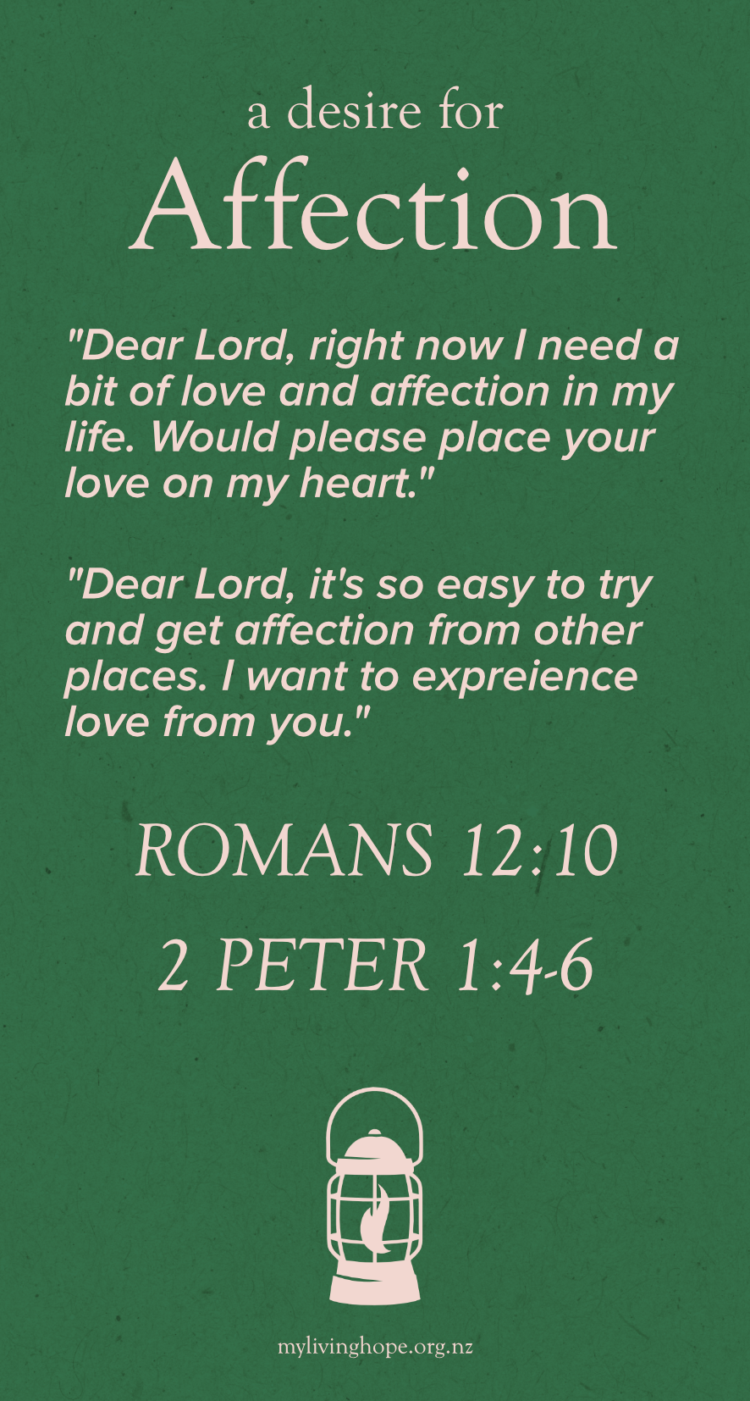
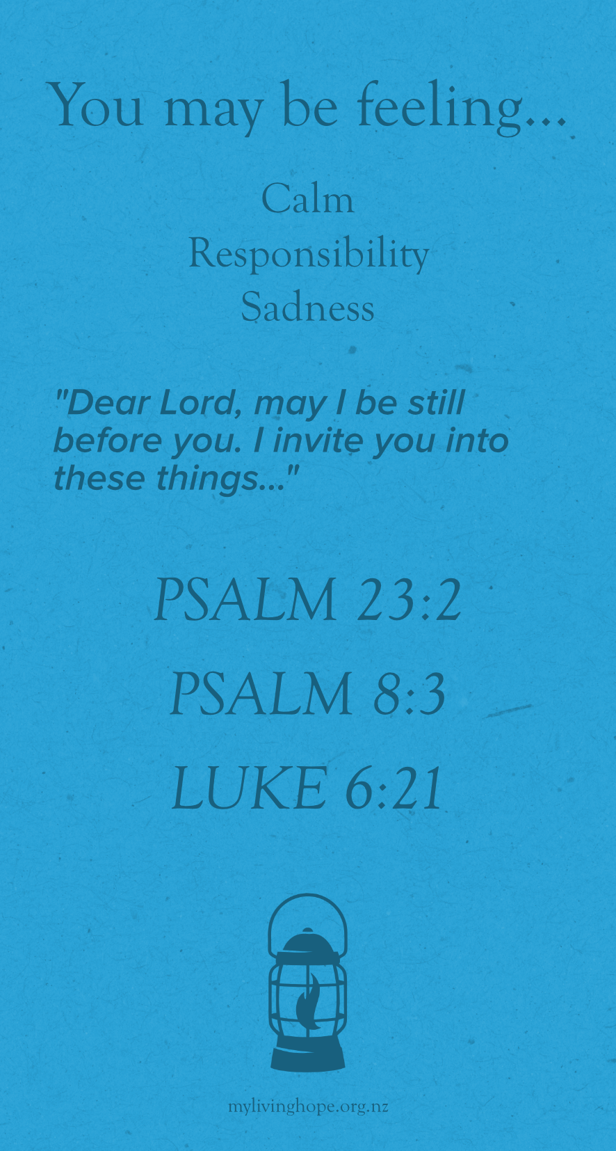

Logo Prototyping
Logo Prototyping - The Lantern |  | Logo Prototyping - just playing with different colour palletes etc


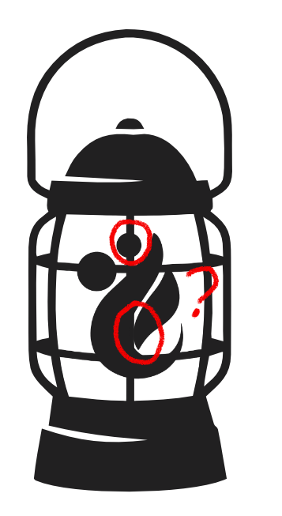
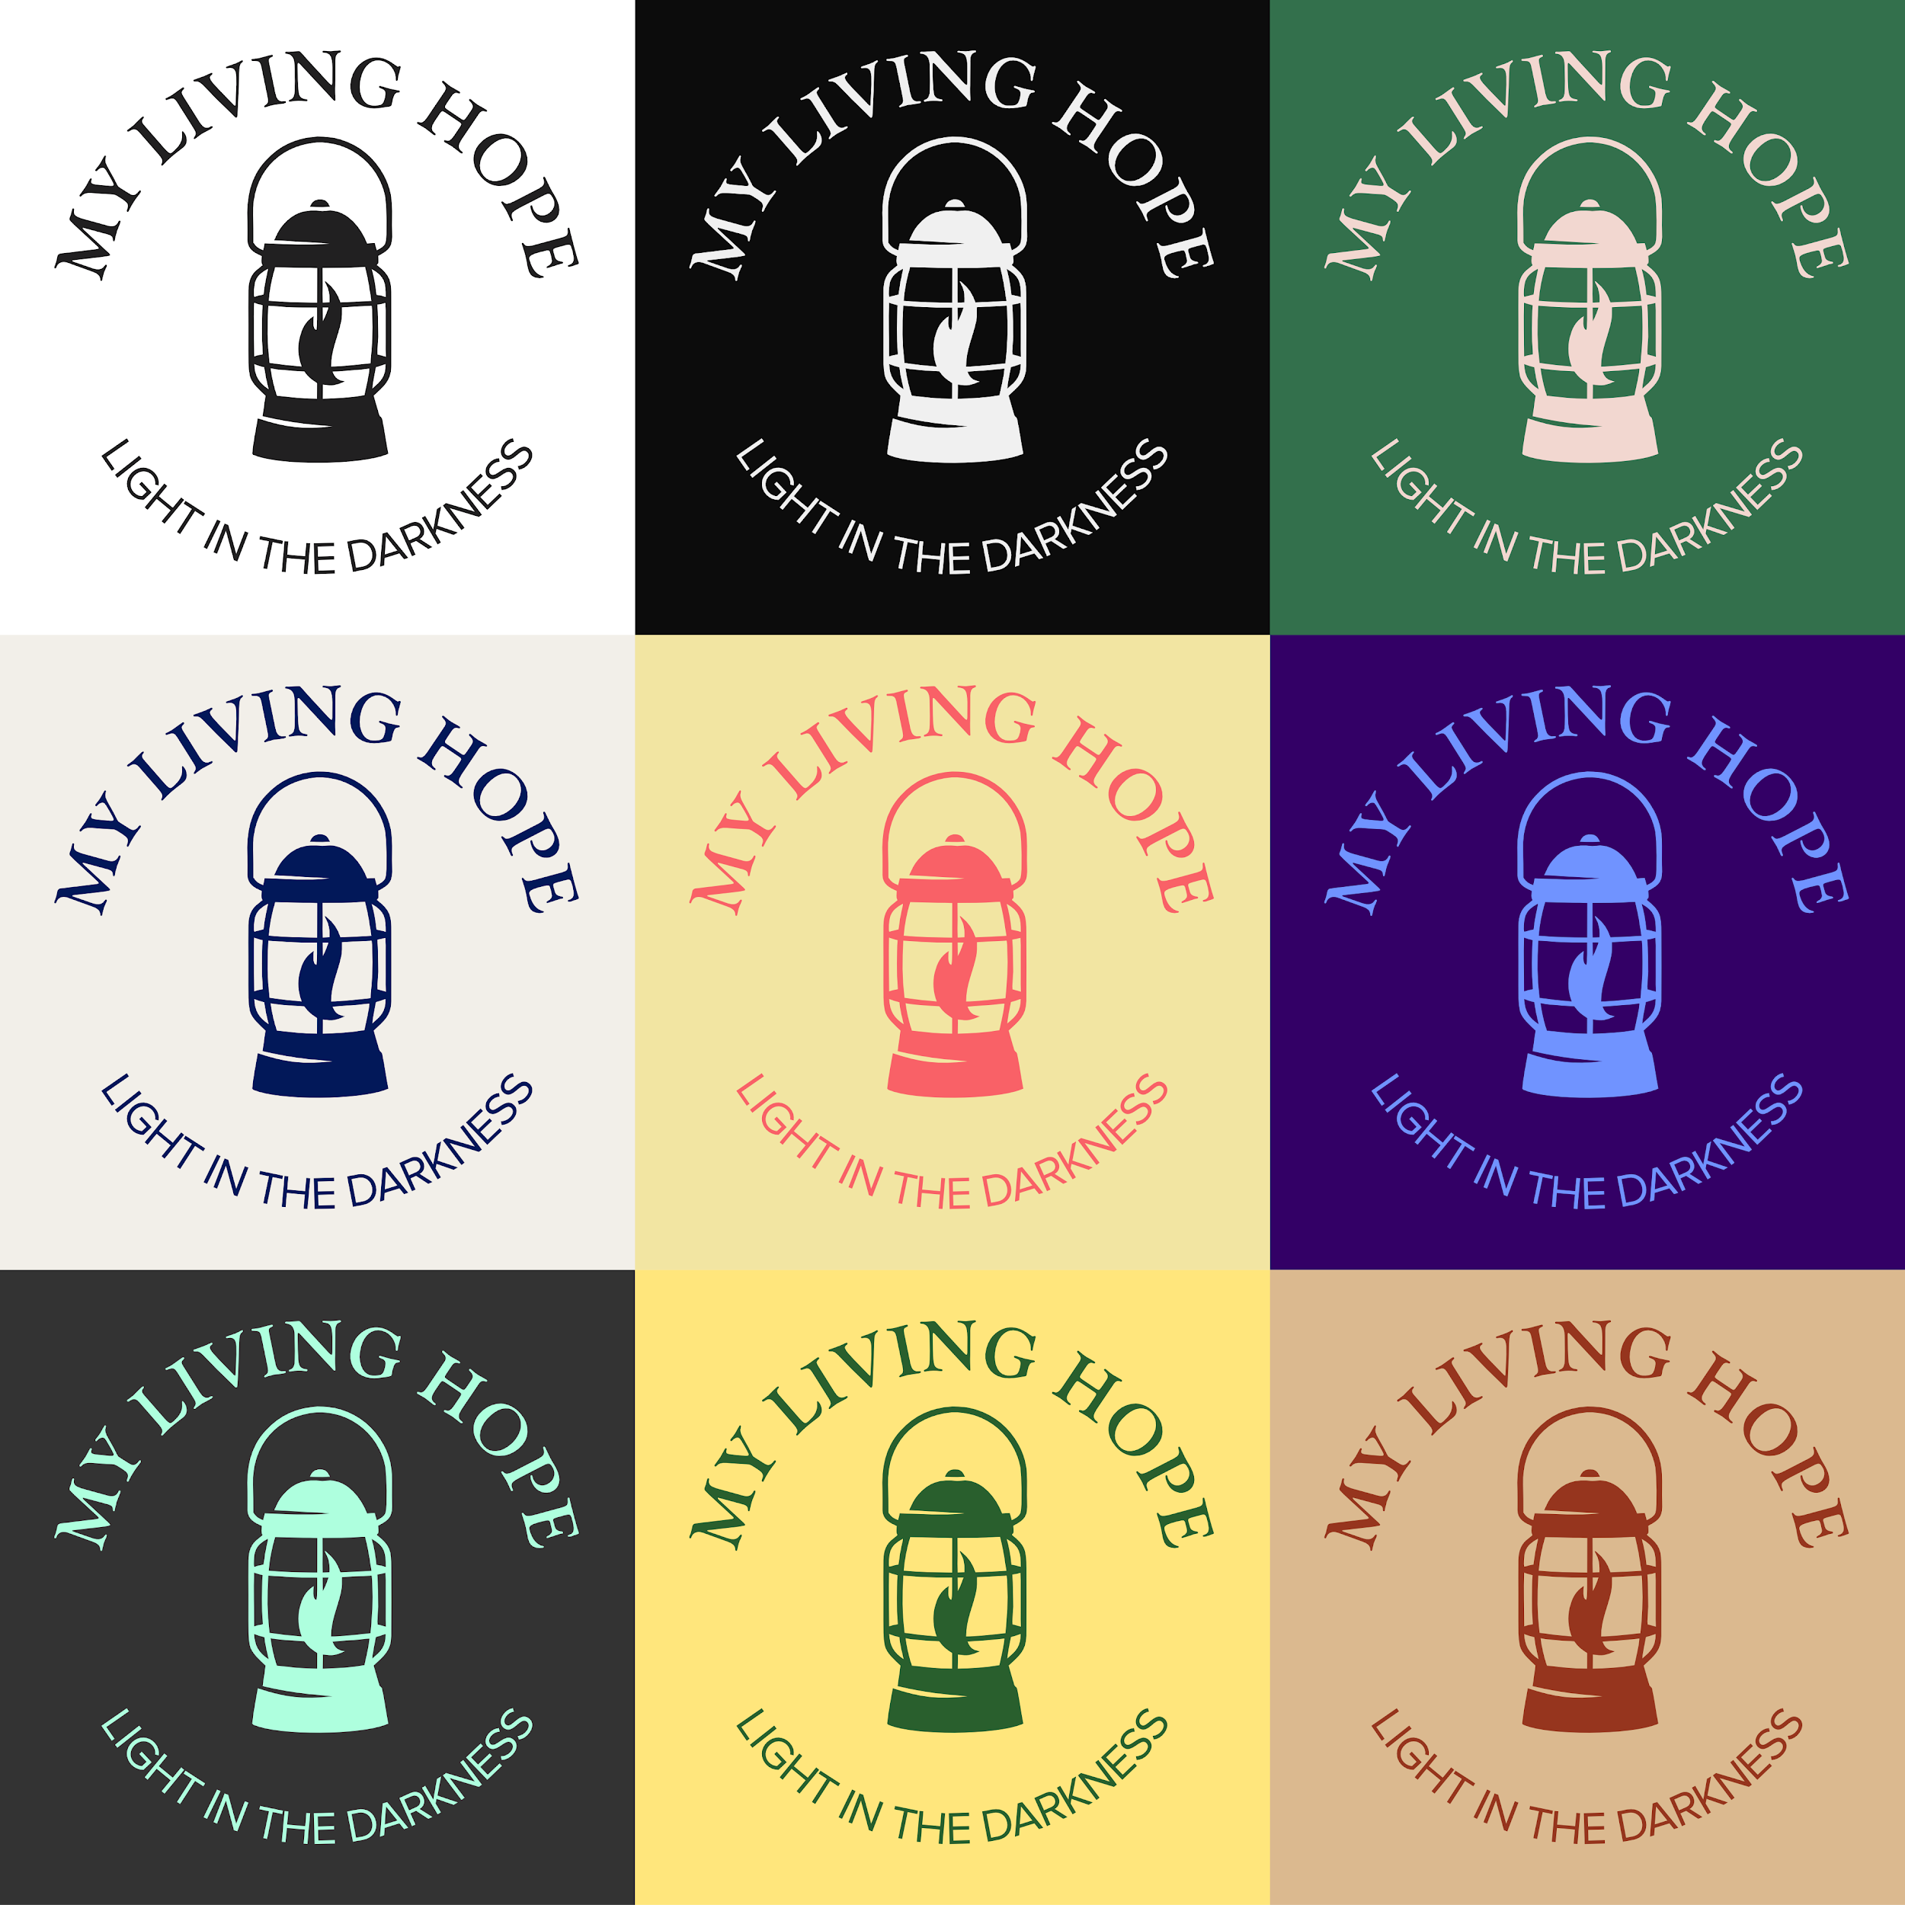
 | Jesus and me
 | Logo is available as long as
 | it has been transformed enough

 | Unsure about the lanten center line
 | bit messy/cluttered

 | Ideally you want each key shape or
 | Point to be clear to see


 | Center line removed
 | Cleaner look for the flame
 | But maybe too simple/unusual


 | Trinity Flame
 | Solves the heads being covered issue
 | Not exactly the comforting message
 | We're aiming for

